Sheet1
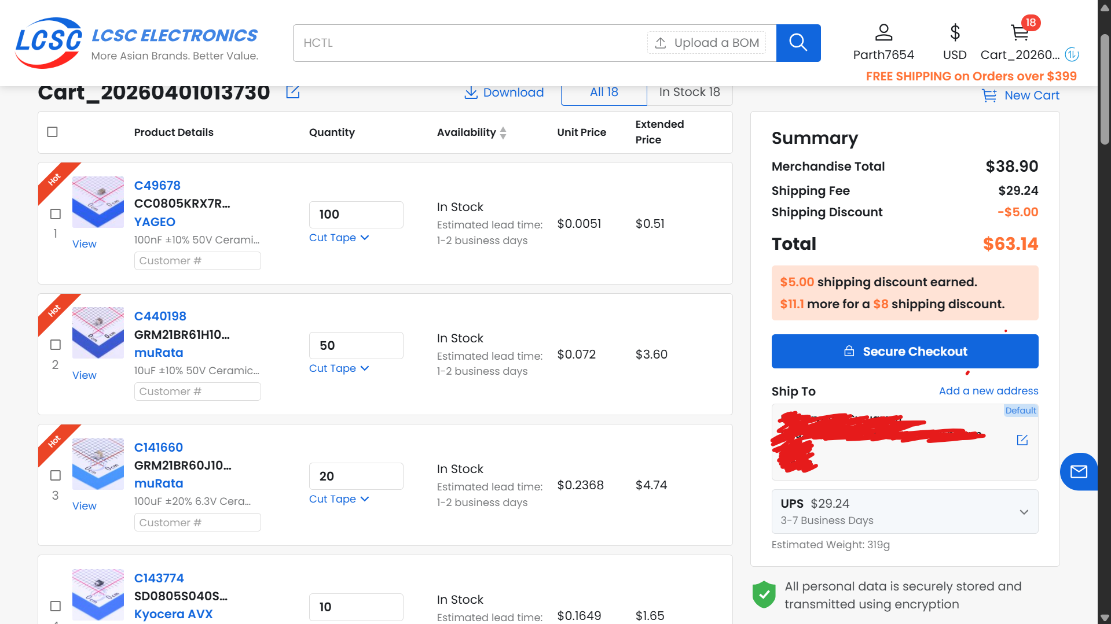
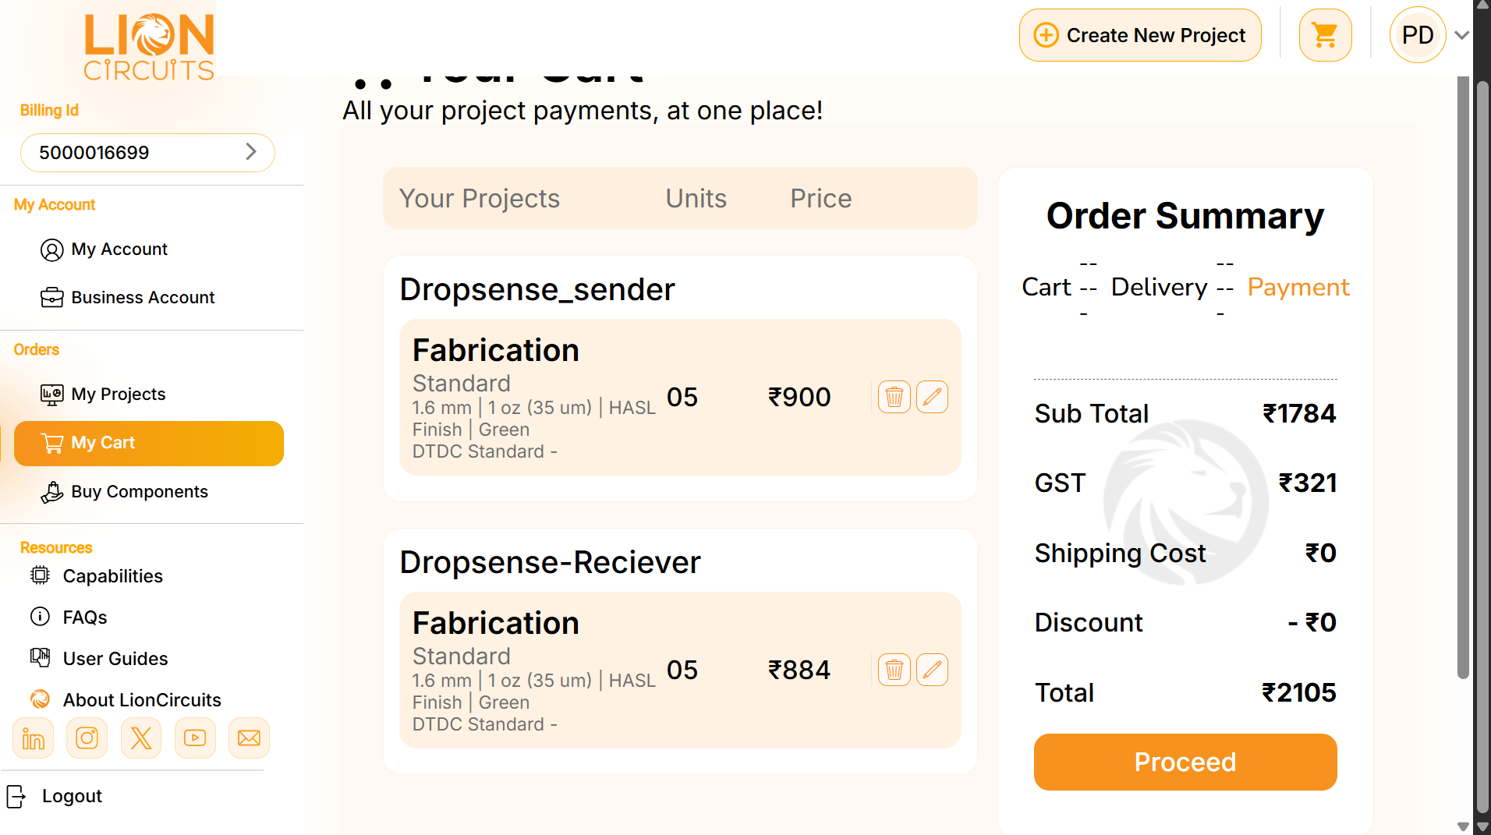
Component | Quantity needed | Quantity purchased | Unit pricce($) | Total cost($) | Product link
100nF ±10% 50V Ceramic Capacitor X7R 0805 | 10 | 100 | 0.0051 | 0.51 | https://www.lcsc.com/product-detail/C49678.html
10uF ±10% 50V Ceramic Capacitor X5R 0805 | 10 | 50 | 0.072 | 3.6 | https://www.lcsc.com/product-detail/C440198.html
100uF ±20% 6.3V Ceramic Capacitor X5R 0805 | 10 | 20 | 0.2368 | 4.74 | https://www.lcsc.com/product-detail/C141660.html
Diode 40V 500mA Surface Mount 0805 | 10 | 10 | 0.1649 | 1.65 | https://www.lcsc.com/product-detail/C28323.html
Green 520nm LED Indication - Discrete 2.5V~3.6V 0805 | 1 | 30 | 0.0217 | 0.65 | https://www.lcsc.com/product-detail/C143774.html
Red 645nm LED Indication - Discrete 1.8V~2.4V 0805 | 1 | 100 | 0.0079 | 0.79 | https://www.lcsc.com/product-detail/C84260.html
SMD USB, DVI, HDMI Connector Adapters RoHS | 1 | 10 | 0.0828 | 0.83 | https://www.lcsc.com/product-detail/C19171391.html
Connector Header 2 position 2.5mm Pitch 3A Through Hole -25℃~+85℃ | 2 | 20 | 0.0373 | 0.75 | https://www.lcsc.com/product-detail/C53121380.html
330Ω ±1% 125mW 0805 Thick Film Resistor | 2 | 100 | 0.0023 | 0.23 | https://www.lcsc.com/product-detail/C158012.html
1.2Ω ±1% 125mW 0805 Thick Film Resistor | 2 | 100 | 0.0027 | 0.27 | https://www.lcsc.com/product-detail/C17630.html
4.7Ω ±1% 125mW 0805 Thick Film Resistor | 1 | 100 | 0.0027 | 0.27 | https://www.lcsc.com/product-detail/C2933356.html
10Ω 125mW 150V Thick Film Resistor ±1% ±200ppm/℃ 0805 Chip Resistor - Surface Mount RoHS | 2 | 100 | 0.008 | 0.8 | https://www.lcsc.com/product-detail/C2933459.html
Micro SD card (TF card) Connector and Ejector Push-Push Surface Mount | 2 | 2 | 1.6306 | 3.26 | https://www.lcsc.com/product-detail/C96347.html
QFN-24-EP(4x4) Accelerometers RoHS | 2 | 1 | 7.9306 | 7.93 | https://www.lcsc.com/product-detail/C114218.html
2.4GHz ESP32-S3 On-board PCB Antenna -103.5dBm SMD,25.5x18mm RF Transceiver Modules and Modems RoHS | 1 | 2 | 4.4597 | 8.92 | https://www.lcsc.com/product-detail/C24112.html
Lithium Battery 1A ESOP-8 Battery Management RoHS | 2 | 10 | 0.1828 | 1.83 | https://www.lcsc.com/product-detail/C2913197.html
3.3V 6V Positive Fixed SOT-23-5 Voltage Regulators - Linear, Low Drop Out (LDO) Regulators RoHS | 2 | 10 | 0.0491 | 0.49 | https://www.lcsc.com/product-detail/C16581.html
1uF ±10% 50V Ceramic Capacitor X7R 0805 | 2 | 100 | 0.0138 | 1.38 | https://www.lcsc.com/product-detail/C82942.html
WLY752530 3.7V 500mAh 1S LiPo Battery | 2 | 2 | 2.79 | 5.58 | https://robu.in/product/500mah-pcm-protected-micro-li-po-battery/
LCSC SHIPPING COST (CHEAPEST OPTION UPS) | 1 | 1 | $29.24 | 29.24
PCBs FABRICATION (from LION CIRCUITS )(sender and reciever both included) | 2 | 10 | 9.6 | 22.4(inc. GST) | https://order.lioncircuits.com/cart
1.8inch tft display | 1 | N/A | N/A | N/A | Self sourced
YIHUA 946D-IV Mini Soldering Hot Plate 400°C | 1 | 1 | 20.37 | 20.37 | https://babaocamachine.com/product/yihua-946d-iv-mini-soldering-hot-plate-400c-adjustable-temp-c-f-conversion/
solder paste | 1 | 1 | 1.8 | 1.8 | https://makerbazar.in/products/mechanic-10cc-lead-free-no-clean-solder-flux-paste-syring?variant=48251101184240&country=IN&currency=INR&utm_medium=product_sync&utm_source=google&utm_content=sag_organic&utm_campaign=sag_organic&gad_source=1&gad_campaignid=17426677322&gbraid=0AAAAACLxaAYzTMmho7tyKRtryRSs-Y9Aj&gclid=CjwKCAjwhLPOBhBiEiwA8_wJHASQQ-U7WRQD3fYT5-50Hm8-akhij7po16V3ck0qvIO8n_Q_sbHLIhoCsDsQAvD_BwE
 |  |  | TOTAL COST = | 116.49

